Tab 6 Sports Athletic Info
Example Listing of Sports/Athletic Program Details for Male and Female Athletes at Colleges and Universities

Univ. of Kentucky - Louisville

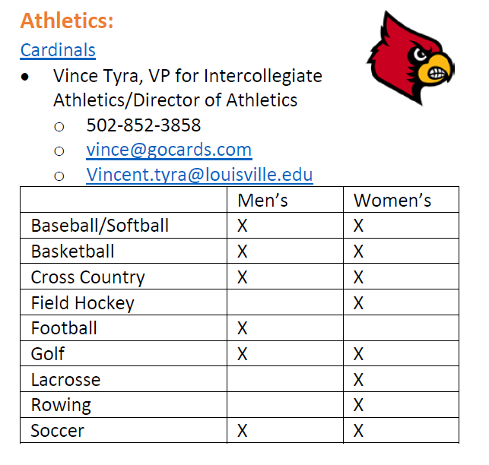

Schools (Strategic school name & city/state location): | University of Louisville: | School #2 | School #3 | ETC.

e.g. Seasonality-College Progs
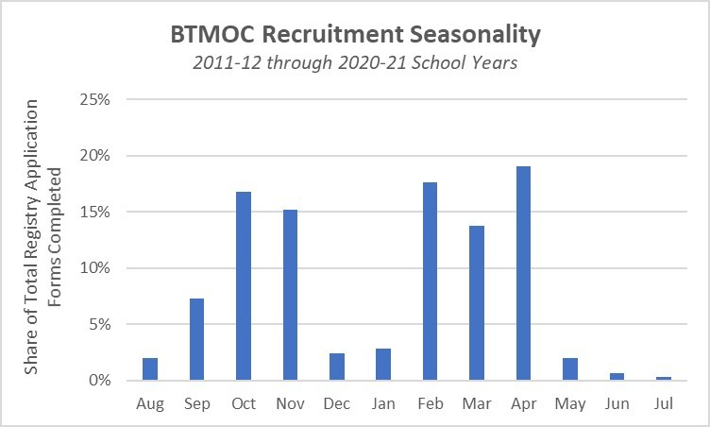
Be The Match on Campus (BTMOC) Seasonality
Month | % of Registry Application Forms Completed
Jan | 3%
Feb | 18%
Mar | 14%
Apr | 19%
May | 2%
Jun | 1%
Jul | 0%
Aug | 2%
Sep | 7%
Oct | 17%
Nov | 15%
Dec | 2%

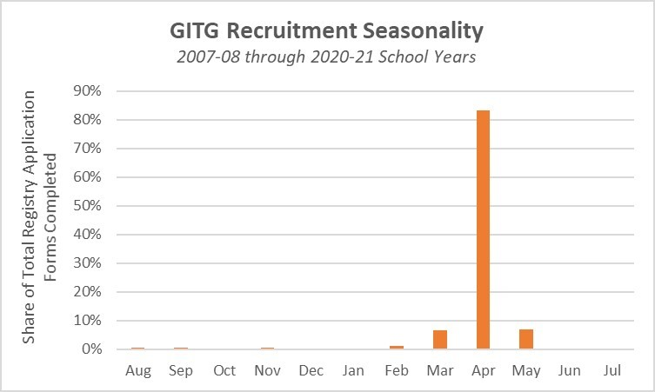
Get in the Game (GITG) Seasonality
Month | % of Registry Application Forms Completed
Jan | 0%
Feb | 1%
Mar | 7%
Apr | 83%
May | 7%
Jun | 0%
Jul | 0%
Aug | 0%
Sep | 1%
Oct | 0%
Nov | 1%
Dec | 0%

